README
OMOP-2-OPMI | latest update: 5/9/2022
by Long and Oliver

OMOP CDM template:
https://drive.google.com/drive/folders/1DaNKe6ivIAZPJeI31VJ-pzNB9wS9hDqu
References:
http://ohdsi.github.io/CommonDataModel/cdm54.html#Clinical_Data_Tables
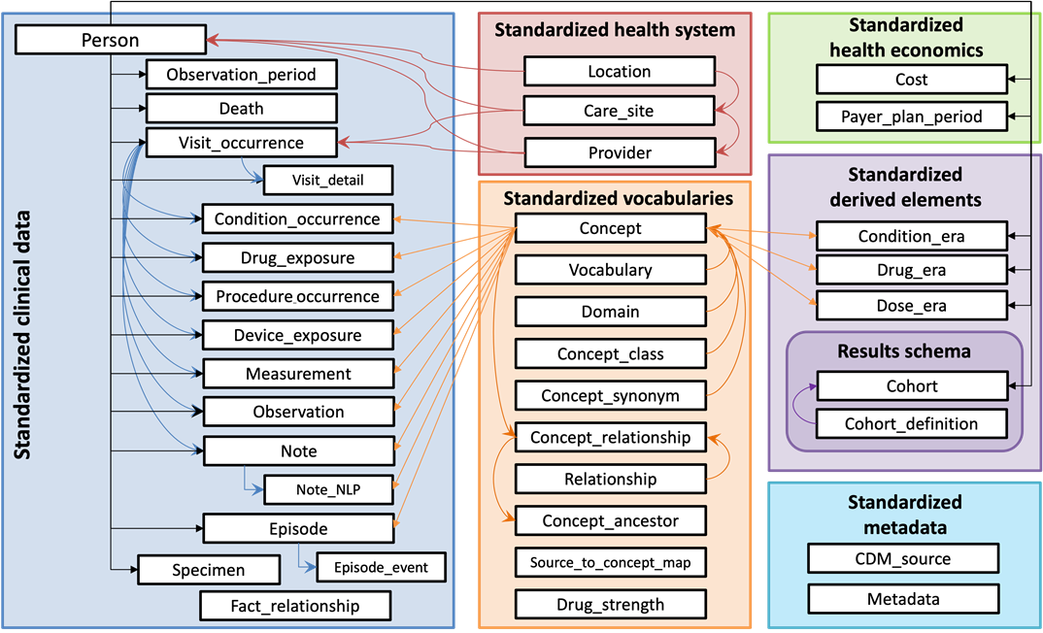
https://ohdsi.github.io/CommonDataModel/

Table | OMOP vs. OPMI mapped
PERSON | 19/13
PROVIDER | 13/9
SPECIMEN | 15/6
VISIT OCCURRENCE | 17/26
PROCEDURE OCCURRENCE | 16/13
DRUG EXPOSURE | 23/18
CONDITION OCCURRENCE | 16/38
DEVICE EXPOSURE | 15/7
MEASUREMENT | 20/11
OBSERVATION PERIOD | 2022-05-06
CARE SITE | 2022-06-03
PAYER PLAN PERIOD | 17/10
DEATH | 2022-07-02
EPISODE | 13/2
LOCATION | 2022-12-01

